dashboard

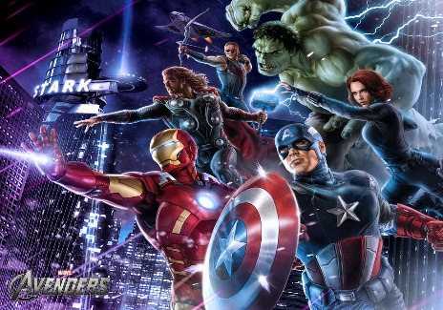
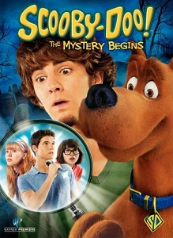


No.of Total Movies by Year

Alfre Woodard
Top Actor (Gross Revenue)
49
Total Movie Released
 | Total
1939 | 1
1948 | 1
1953 | 1
1957 | 1
1962 | 1
1965 | 1
1968 | 1
1974 | 1
1975 | 2
1977 | 1
1978 | 2
1979 | 1
1980 | 1
1981 | 4
1982 | 1
1983 | 2
1984 | 1
1985 | 2
1986 | 5
1987 | 4
1988 | 1
1989 | 5
1990 | 3
1991 | 4
1992 | 3
1993 | 6
1994 | 3
1995 | 5
1996 | 7
1997 | 5
1998 | 9
1999 | 8
2000 | 17
2001 | 13
2002 | 16
2003 | 14
2004 | 14
2005 | 20
2006 | 19
2007 | 14
2008 | 19
2009 | 18
2010 | 15
2011 | 16
2012 | 19
2013 | 22
2014 | 16
2015 | 17


Top Genre
Harry Potter and the Chamber of Secrets
Genre Popularity
Harry Potter and the Chamber of Secrets
Top Revenue
Longest Duration (Min)
 | Adventure
2002 | 1194719679

174
Big Fat Liar
Top Budget

0.00 B

Top Rated Genre
 | Total
Action | 254.1
Adventure | 100.8
Comedy | 329.6
Crime | 146.2
Drama | 295.6
Top 5 Grossing
 | Total
Snow Dogs | 81150692
Lilo & Stitch | 145771527
Scooby-Doo | 153288182
Ice Age | 176387405
Harry Potter and the Chamber of Secrets | 261970615

Ice Age
 | Sum of Budget | Sum of Revenue
1939 | 2800000 | 22202612
1948 | 3700000 | 2956000
1953 | 210000 | 5000000
1957 | 3000000 | 27200000
1962 | 15000000 | 6000000
1965 | 3800000 | 14873
1968 | 12000000 | 56715371
1974 | 500000 | 39552600
1975 | 8229575 | 261229197
1977 | 9000000 | 1000000
1978 | 44000000 | 115922376
1979 | 35000000 | 82300000
1980 | 44000000 | 1500000
1981 | 50000000 | 56598734
1982 | 20000000 | 37567440
1983 | 42000000 | 82900000
1984 | 16000000 | 26400000
1985 | 37000000 | 214860082
1986 | 73800000 | 340904961
1987 | 65700000 | 90540310
1988 | 12500000 | 48092846
1989 | 142500000 | 236059858
1990 | 65000000 | 287245050
1991 | 115000000 | 195293427
1992 | 86000000 | 436436532
1993 | 161100000 | 510243494
1994 | 158000000 | 464507282
1995 | 205000000 | 645427545
1996 | 257030000 | 259802167
1997 | 2639000000 | 371004438
1998 | 562500000 | 638509880
1999 | 717000000 | 531968308
2000 | 977500000 | 1088837614
2001 | 611850000 | 1196645372
2002 | 819500000 | 1194719679
2003 | 613300000 | 924231101
2004 | 980060000 | 1345673099
2005 | 1249500000 | 1912793640
2006 | 1066000000 | 1041074987
2007 | 1008000000 | 1328469712
2008 | 1045000000 | 811326653
2009 | 1315100000 | 1556651942
2010 | 1603000000 | 2286969624
2011 | 1216900000 | 1249628866
2012 | 1668000000 | 2395339828
2013 | 2193000000 | 2684287587
2014 | 1437000000 | 1851402097
2015 | 1516350000 | 2007328793
Budget VS Revenue
7.6

no.of total movies by year
Row Labels | Count of Title
1939 | 1
1948 | 1
1953 | 1
1957 | 1
1962 | 1
1965 | 1
1968 | 1
1974 | 1
1975 | 2
1977 | 1
1978 | 2
1979 | 1
1980 | 1
1981 | 4
1982 | 1
1983 | 2
1984 | 1
1985 | 2
1986 | 5
1987 | 4
1988 | 1
1989 | 5
1990 | 3
1991 | 4
1992 | 3
1993 | 6
1994 | 3
1995 | 5
1996 | 7
1997 | 5
1998 | 9
1999 | 8
2000 | 17
2001 | 13
2002 | 16
2003 | 14
2004 | 14
2005 | 20
2006 | 19
2007 | 14
2008 | 19
2009 | 18
2010 | 15
2011 | 16
2012 | 19
2013 | 22
2014 | 16
2015 | 17
Grand Total | 362

top genre
Row Labels | Sum of Revenue
Action | 3193457452 | Action | 3193457452
Adventure | 1194719679 | Adventure | 1194719679
Biography | 265329130 | Biography | 265329130
Comedy | 1930909820 | Comedy | 1930909820
Crime | 703997839 | Crime | 703997839
Drama | 1214919477 | Drama | 1214919477
Horror | 64933022

total no.of released movies
Count of Title | Count of Title
16 | 16

top rated genre
Row Labels | Sum of IMDb Score
Action | 254.1
Adventure | 100.8
Comedy | 329.6
Crime | 146.2
Drama | 295.6
Grand Total | 1126.3

yearwise popularityof genre
Sum of Revenue | Column Labels
Row Labels | Adventure | Grand Total
2002 | 1194719679 | 1194719679
Grand Total | 1194719679 | 1194719679

top 5 grossing
Row Labels | Sum of Revenue
Snow Dogs | 81150692
Lilo & Stitch | 145771527
Scooby-Doo | 153288182
Ice Age | 176387405
Harry Potter and the Chamber of Secrets | 261970615
Grand Total | 818568421

revenue vs budget
Row Labels | Sum of Budget | Sum of Revenue
1939 | 2800000 | 22202612
1948 | 3700000 | 2956000
1953 | 210000 | 5000000
1957 | 3000000 | 27200000
1962 | 15000000 | 6000000
1965 | 3800000 | 14873
1968 | 12000000 | 56715371
1974 | 500000 | 39552600
1975 | 8229575 | 261229197
1977 | 9000000 | 1000000
1978 | 44000000 | 115922376
1979 | 35000000 | 82300000
1980 | 44000000 | 1500000
1981 | 50000000 | 56598734
1982 | 20000000 | 37567440
1983 | 42000000 | 82900000
1984 | 16000000 | 26400000
1985 | 37000000 | 214860082
1986 | 73800000 | 340904961
1987 | 65700000 | 90540310
1988 | 12500000 | 48092846
1989 | 142500000 | 236059858
1990 | 65000000 | 287245050
1991 | 115000000 | 195293427
1992 | 86000000 | 436436532
1993 | 161100000 | 510243494
1994 | 158000000 | 464507282
1995 | 205000000 | 645427545
1996 | 257030000 | 259802167
1997 | 2639000000 | 371004438
1998 | 562500000 | 638509880
1999 | 717000000 | 531968308
2000 | 977500000 | 1088837614
2001 | 611850000 | 1196645372
2002 | 819500000 | 1194719679
2003 | 613300000 | 924231101
2004 | 980060000 | 1345673099
2005 | 1249500000 | 1912793640
2006 | 1066000000 | 1041074987
2007 | 1008000000 | 1328469712
2008 | 1045000000 | 811326653
2009 | 1315100000 | 1556651942
2010 | 1603000000 | 2286969624
2011 | 1216900000 | 1249628866
2012 | 1668000000 | 2395339828
2013 | 2193000000 | 2684287587
2014 | 1437000000 | 1851402097
2015 | 1516350000 | 2007328793
Grand Total | 24926429575 | 30971335977

pictures








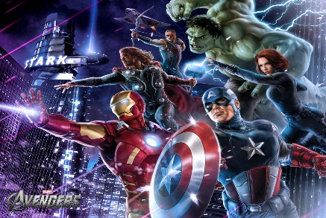


This Photo by Unknown Author is licensed under CC BY-SA

This Photo by Unknown Author is licensed under CC BY
This Photo by Unknown Author is licensed under CC BY-NC-ND

This Photo by Unknown Author is licensed under CC BY-SA

